Results
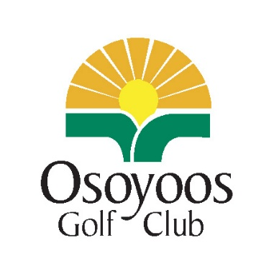
2026-07-14 | Men's Night Results
Money Collected |  | # of Plyr's | fee amt | total
League Registrants |  | 0 | $25.00 | $-
Nightly Game |  | 100 | $20.00 | $2,000.00
50/50 pot |  |  | $3.00
Double Deuce Pot |  |  | $2.00 | $-
Lucky Card Draw |  | 111 | $10.00 | $1,110.00
 |  |  |  | $3,110.00
Hole Contests
Flight A KP | #3 | Clayton Quintal |  |  | dozen balls
Flight A KP | #12 | Tim Alder |  |  | dozen balls
Flight B KP | #7 | Doug Brenner |  |  | dozen balls
Flight B KP | #10 | Chris Fraser |  |  | dozen balls
TSOTW | #7 | N/A |  |  | draw entry
All- LP | #9 | Mark Nichols |  |  | Osoyoos Logo Hat
All -LP | #18 | Phil Simms |  |  | Osoyoos Logo Hat
Flight Payouts
Flight 1 | Names of Partners
1st Place LG | Ryan Dunkley + Mitch Kelly + Johnny Cheong + Ben Petreny |  |  |  |  | $50.00ea | $200.00
2nd Place LG | Clayton Quintal + Troy Quintal + Gord Grant + Craig Johnson |  |  |  |  | $25.00ea | $100.00
1st Place LN | Doug Brenner +Fred Plessis + John Craig + Mike Lindsay |  |  |  |  | $50.00ea | $200.00
2nd Place LN | Steve Brown + Greg Balogh + Trevor Delaney + Jae Hendrickson |  |  |  |  | $25.00ea | $100.00
Flight 2 | Names of Partners |  |  |  |  |  | $600.00
1st Place LG | Tom Adams + Larry Wittchen + Jeff Fawcett + Stephane Dumas |  |  |  |  | $50.00ea | $200.00
2nd Place LG | Chris Fraser + Wayne Herle + Wilf Herle + Todd Tweedy |  |  |  |  | $25.00ea | $100.00
1st Place LN | Jackson Playfair + Justin Styffe + Andrew Barns + Dustin Sikora |  |  |  |  | $50.00ea | $200.00
2nd Place LN | Matt Vincent + Paul Brunner + Brian Zakall + Rob Svendson |  |  |  |  | $25.00ea | $100.00
 |  |  |  |  |  |  | $600.00
 |  |  |  |  |  |  | $1,200.00
50/50 Winner - $800.00
Ticket Number |  | 414965 |  | Winner | Noah Owen
Lucky Card Draw -
Winner | Gabriel Fortin |  |  | 3 of spades - Blue - Titliest FW Wood
Winner | Noah Owen |  |  | 8 of Diamonds- Red- Titleist FW Wood

